Full Data
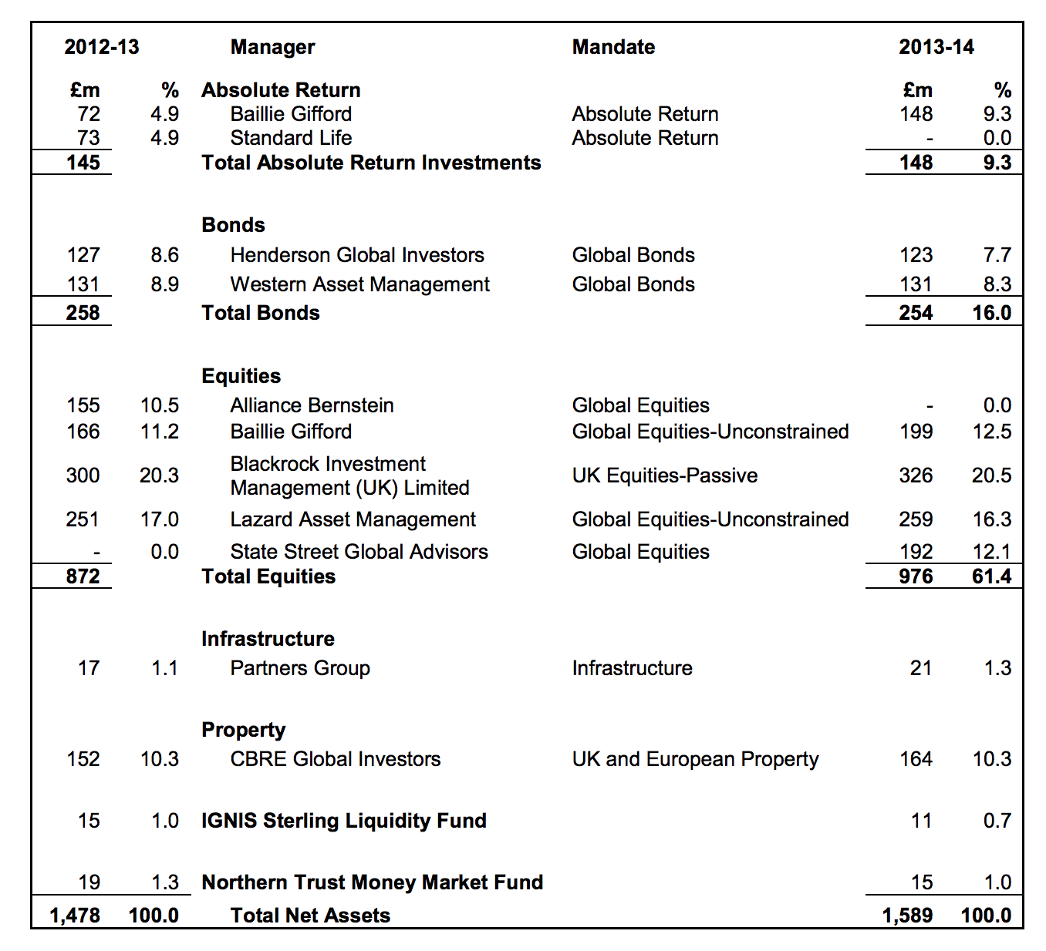
Name of Local Authority Pension Fund | Description of holding | Sub-category/ Classification | Oil/Gas companies | Coal companies | Verification | Fossil Fuel Amounts | All Amounts
Fife Council Pension Fund | Futures FUT JUN 15 5 YR T NOTE | Fixed Income Derivatives - | 0 | 0 | 0 | 0 | 3482027.83
Fife Council Pension Fund | Futures FUT JUN 15 U.S. T-BONDS | Fixed Income Derivatives - | 0 | 0 | 0 | 0 | -1655860.56
Fife Council Pension Fund | AA BOND CO LTD | Corporate Bonds | 0 | 0 | 0 | 0 | 749053.38
Fife Council Pension Fund | ABB LTD CHF1.03 (REGD) | Common Stock | 0 | 0 | 0 | 0 | 2838947.74
Fife Council Pension Fund | ABBEY NATL TREASURY SERV 3.875% 15/10/2029 | Corporate Bonds | 0 | 0 | 0 | 0 | 895561.6
Fife Council Pension Fund | ABBEY NATL TRSY SV 4.125% GTD MTN | Corporate Bonds | 0 | 0 | 0 | 0 | 364485.44
Fife Council Pension Fund | ABBEY NATL TRSY SV 5.125% MTG 14/04/2021GBP | Corporate Bonds | 0 | 0 | 0 | 0 | 681347.79
Fife Council Pension Fund | ABBEY NATL TRSY SV 5.75% GTD MTN | Corporate Bonds | 0 | 0 | 0 | 0 | 435132.12
Fife Council Pension Fund | ABBOTT LAB COM | Common Stock | 0 | 0 | 0 | 0 | 1926541.53
Fife Council Pension Fund | ABP FINANCE PLC 6.25% EMTN 14/12/26 | Corporate Bonds | 0 | 0 | 0 | 0 | 839096.32
Fife Council Pension Fund | ACTELION LTD CHF0.50 (REGD) | Common Stock | 0 | 0 | 0 | 0 | 1462579.24
Fife Council Pension Fund | ADR ALIBABA GROUP HLDG LTD-SP A | Common Stock | 0 | 0 | 0 | 0 | 5047332.68
Fife Council Pension Fund | ADR BAIDU INC SPONSORED ADR | Common Stock | 0 | 0 | 0 | 0 | 18466387.87
Fife Council Pension Fund | ADR CTRIP COM INTL LTD ADS AMERICAN DEP SHS | Common Stock | 0 | 0 | 0 | 0 | 5932328.2
Fife Council Pension Fund | ADR HDFC BK LTD ADR REPSTG 3 SHS | Common Stock | 0 | 0 | 0 | 0 | 2320690.47
Fife Council Pension Fund | ADR NEW ORIENTAL ED & TECH GP INC SPONSORED ADR REPSTG COM | Common Stock | 0 | 0 | 0 | 0 | 2352752.98
Fife Council Pension Fund | ADR TEVA PHARMACEUTICAL INDS | Common Stock | 0 | 0 | 0 | 0 | 4700303.13
Fife Council Pension Fund | AES CORP COM | Common Stock | 0 | 0 | 0 | 0 | 959962.95
Fife Council Pension Fund | AIA GROUP LTD NPV | Common Stock | 0 | 0 | 0 | 0 | 4478300.24
Fife Council Pension Fund | AIA GROUP LTD NPV | Common Stock | 0 | 0 | 0 | 0 | 5558655.2
Fife Council Pension Fund | AIR LIQUIDE(L') EUR5.5 (PRIME FIDEL) | Common Stock | 0 | 0 | 0 | 0 | 3335241.24
Fife Council Pension Fund | AIRPORT INDUSTRIAL FD | Funds - Real Estate | 0 | 0 | 0 | 0 | 13183890.78
Fife Council Pension Fund | AMAZON COM INC COM | Common Stock | 0 | 0 | 0 | 0 | 3413945.44
Fife Council Pension Fund | AMAZON COM INC COM | Common Stock | 0 | 0 | 0 | 0 | 22645336.75
Fife Council Pension Fund | AMER MOVIL SAB DE CV | Corporate Bonds | 0 | 0 | 0 | 0 | 274078.8
Fife Council Pension Fund | AMGEN INC 5.5% 07/12/2026 | Corporate Bonds | 0 | 0 | 0 | 0 | 269317.6
Fife Council Pension Fund | AMGEN INC COM | Common Stock | 0 | 0 | 0 | 0 | 4502612.16
Fife Council Pension Fund | ANADARKO PETRO CORP COM | Common Stock | 0 | 0 | 0 | 0 | 3363720.44
Fife Council Pension Fund | ANHEUSER-BUSCH INBEV FINANCE INC 4.0% 24/09/2025 | Corporate Bonds | 0 | 0 | 0 | 0 | 440464.44
Fife Council Pension Fund | ANNINGTON FIN NO4 8.07% A/B NTS 10/1/23 GBP | Asset Backed Securities | 0 | 0 | 0 | 0 | 351996.06
Fife Council Pension Fund | ANNINGTON REP N.01 5.3236% BDS 10/1/23 GBP'A'REG S | Corporate Bonds | 0 | 0 | 0 | 0 | 430244.88
Fife Council Pension Fund | AON PLC COM | Common Stock | 0 | 0 | 0 | 0 | 3444650.72
Fife Council Pension Fund | APACHE CORP COM | Common Stock | Apache | 0 | APACHE CORP COM | 3,092,699.90 | 3092699.9
Fife Council Pension Fund | APPLE INC COM STK | Common Stock | 0 | 0 | 0 | 0 | 4797742.52
Fife Council Pension Fund | AQUILA LIFE UK EQUITY INDEX FUND SER1 | Unit Trust Equity | 0 | 0 | 0 | 0 | 347847341.9
Fife Council Pension Fund | ARDSTONE UK REGION AL OFICE FUND | Funds - Real Estate | 0 | 0 | 0 | 0 | 10858722.85
Fife Council Pension Fund | ARM HLDGS ORD GBP0.0005 | Common Stock | 0 | 0 | 0 | 0.00 | 5099884.4
Fife Council Pension Fund | ASHTENNE INDL FD | Funds - Real Estate | 0 | 0 | 0 | 0 | 186989.01
Fife Council Pension Fund | ASTRAZENECA ORD USD0.25 | Common Stock | 0 | 0 | 0 | 0 | 3554031.04
Fife Council Pension Fund | AT&T INC 4.25 BDS DUE 06-01-2043 BEO | Corporate Bonds | 0 | 0 | 0 | 0 | 576427.5
Fife Council Pension Fund | AT&T INC 4.875 DUE 06-01-2044 | Corporate Bonds | 0 | 0 | 0 | 0 | 500187.24
Fife Council Pension Fund | ATLAS COPCO AB SER'A'NPV | Common Stock | 0 | 0 | 0 | 0 | 5818974.57
Fife Council Pension Fund | Australian dollar | Cash | 0 | 0 | 0 | 0 | 121.66
Fife Council Pension Fund | Australian dollar | Variation Margin | 0 | 0 | 0 | 0 | 0.1
Fife Council Pension Fund | Australian dollar | Variation Margin | 0 | 0 | 0 | 0 | 0.26
Fife Council Pension Fund | AVIVA 6.875%-FR EMTN 20/05/58 GBP | Corporate Bonds | 0 | 0 | 0 | 0 | 756881.5
Fife Council Pension Fund | AXA SA 3.875% 20/05/2049 | Corporate Bonds | 0 | 0 | 0 | 0 | 215545.29
Fife Council Pension Fund | BAE SYSTEMS 4.125% NTS 08/06/22 GBP1000 | Corporate Bonds | 0 | 0 | 0 | 0 | 830821.5
Fife Council Pension Fund | BAILLIE GIFFORD DIVERSIFIED GROWTH | Unit Trust Equity | 0 | 0 | 0 | 0 | 159726286.2
Fife Council Pension Fund | BANCO BTG PACTUAL SA COM | Common Stock | 0 | 0 | 0 | 0 | 234604.73
Fife Council Pension Fund | BANK OF EAST ASIA HKD2.50 | Common Stock | 0 | 0 | 0 | 0 | 1123094.79
Fife Council Pension Fund | BANQUE POPULAIRE CAISSE D'EPARGNE 5.25% 16/04/2029 | Corporate Bonds | 0 | 0 | 0 | 0 | 339750
Fife Council Pension Fund | BARCLAYS BANK PLC 10% SUB MTN 21/05/2021GBP | Corporate Bonds | 0 | 0 | 0 | 0 | 734195.62
Fife Council Pension Fund | BARRICK GOLD CORP COM NPV | Common Stock | 0 | 0 | 0 | 0 | 957652.05
Fife Council Pension Fund | BHP BILLITON FINANCE LTD | Corporate Bonds | BHP Billiton | BHP Billiton | BHP BILLITON FINANCE LTD | 805,148.18 | 805148.18
Fife Council Pension Fund | BK OF AMERICA CORP 6.125% MTN 15/09/2021GBP | Corporate Bonds | 0 | 0 | 0 | 0 | 244720.2
Fife Council Pension Fund | BK OF AMERICA CORP 7% SNR EMTN | Corporate Bonds | 0 | 0 | 0 | 0 | 289299.8
Fife Council Pension Fund | BLACKROCK UK FD | Funds - Real Estate | 0 | 0 | 0 | 0 | 12432145.56
Fife Council Pension Fund | BLUEBIRD BIO INC COM | Common Stock | 0 | 0 | 0 | 0 | 1379682.34
Fife Council Pension Fund | BRAZIL(FED REP OF) 6% NTS 15/08/2050 | Index Linked Govt Bonds | 0 | 0 | 0 | 0 | 525438.05
Fife Council Pension Fund | Brazilian real | Cash | 0 | 0 | 0 | 0 | 6264.49
Fife Council Pension Fund | Brazilian real | Pending foreign exchange sales | 0 | 0 | 0 | 0 | -514545.19
Fife Council Pension Fund | BRISTOL MYERS SQUIBB CO COM | Common Stock | 0 | 0 | 0 | 0 | 3964501.52
Fife Council Pension Fund | British pound sterling | Cash | 0 | 0 | 0 | 0 | 1947.16
Fife Council Pension Fund | British pound sterling | Cash | 0 | 0 | 0 | 0 | 941.12
Fife Council Pension Fund | British pound sterling | Cash | 0 | 0 | 0 | 0 | 83673.25
Fife Council Pension Fund | British pound sterling | Cash | 0 | 0 | 0 | 0 | 572.9
Fife Council Pension Fund | British pound sterling | Cash | 0 | 0 | 0 | 0 | 741.24
Fife Council Pension Fund | British pound sterling | Cash | 0 | 0 | 0 | 0 | 626.28
Fife Council Pension Fund | British pound sterling | Cash | 0 | 0 | 0 | 0 | 159.67
Fife Council Pension Fund | British pound sterling | Cash | 0 | 0 | 0 | 0 | 365416.01
Fife Council Pension Fund | British pound sterling | Cash | 0 | 0 | 0 | 0 | 339.43
Fife Council Pension Fund | British pound sterling | Cash | 0 | 0 | 0 | 0 | 245.94
Fife Council Pension Fund | British pound sterling | Cash (externally held) | 0 | 0 | 0 | 0 | -3907.36
Fife Council Pension Fund | British pound sterling | Global cash | 0 | 0 | 0 | 0 | 765000
Fife Council Pension Fund | British pound sterling | Global cash | 0 | 0 | 0 | 0 | 14928000
Fife Council Pension Fund | British pound sterling | Global cash | 0 | 0 | 0 | 0 | 9667000
Fife Council Pension Fund | British pound sterling | Global cash | 0 | 0 | 0 | 0 | 3725000
Fife Council Pension Fund | British pound sterling | Global cash | 0 | 0 | 0 | 0 | 1000
Fife Council Pension Fund | British pound sterling | Global cash | 0 | 0 | 0 | 0 | 33849000
Fife Council Pension Fund | British pound sterling | Pending foreign exchange purchasesBritish pound sterling | 0 | 0 | 0 | 0 | 1663076.03
Fife Council Pension Fund | British pound sterling | Pending foreign exchange purchasesBritish pound sterling | 0 | 0 | 0 | 0 | 2427996.77
Fife Council Pension Fund | British pound sterling | Pending foreign exchange purchasesBritish pound sterling | 0 | 0 | 0 | 0 | 7026118.02
Fife Council Pension Fund | British pound sterling | Pending foreign exchange sales | 0 | 0 | 0 | 0 | -1852855
Fife Council Pension Fund | British pound sterling | Pending foreign exchange sales | 0 | 0 | 0 | 0 | -85795.2
Fife Council Pension Fund | British pound sterling | Pending foreign exchange sales | 0 | 0 | 0 | 0 | -386292.22
Fife Council Pension Fund | British pound sterling | Pending foreign exchange sales | 0 | 0 | 0 | 0 | -303423.51
Fife Council Pension Fund | British pound sterling | Pending foreign exchange sales | 0 | 0 | 0 | 0 | -365008.07
Fife Council Pension Fund | British pound sterling | Pending foreign exchange sales | 0 | 0 | 0 | 0 | -279656.43
Fife Council Pension Fund | British pound sterling | Pending foreign exchange sales | 0 | 0 | 0 | 0 | -12136.37
Fife Council Pension Fund | British pound sterling | Pending foreign exchange sales | 0 | 0 | 0 | 0 | -316448.11
Fife Council Pension Fund | British pound sterling | Pending trade purchases | 0 | 0 | 0 | 0 | -1045963.62
Fife Council Pension Fund | British pound sterling | Pending trade purchases | 0 | 0 | 0 | 0 | -396880.25
Fife Council Pension Fund | British pound sterling | Variation Margin | 0 | 0 | 0 | 0 | 417687.99
Fife Council Pension Fund | British pound sterling | Variation Margin | 0 | 0 | 0 | 0 | 154269.64
Fife Council Pension Fund | British pound sterling | Variation Margin | 0 | 0 | 0 | 0 | 3.06
Fife Council Pension Fund | BRITISH TELECOM 6.625% EMTN 23/06/2017 GBP | Corporate Bonds | 0 | 0 | 0 | 0 | 245258.75
Fife Council Pension Fund | BRITISH TELECOM 8.5%-VAR BD 7/12/16 | Corporate Bonds | 0 | 0 | 0 | 0 | 492714.86
Fife Council Pension Fund | BRITTANICA UNIT TRUST | Real Estate | 0 | 0 | 0 | 0 | 0
Fife Council Pension Fund | BROADGATE FIN 4.999% NTS 05/10/31 GBP 'B' | Corporate Bonds | 0 | 0 | 0 | 0 | 112200.3
Fife Council Pension Fund | BUNDESREPUB DEUTSCHLAND 3.25% 04/07/2042 | Govt Bonds | 0 | 0 | 0 | 0 | 2303596.18
Fife Council Pension Fund | BUPA FINANCE 3.375% GTD SNR 17/06/21 GBP | Corporate Bonds | 0 | 0 | 0 | 0 | 222874.68
Fife Council Pension Fund | BUPA FINANCE 5% DUE 25/04/2023 | Corporate Bonds | 0 | 0 | 0 | 0 | 215534.5
Fife Council Pension Fund | BURBERRY GROUP ORD GBP0.0005 | Common Stock | 0 | 0 | 0 | 0 | 4249957.21
Fife Council Pension Fund | CABOT OIL & GAS CORP COM | Common Stock | Cabot Oil & Gas | 0 | CABOT OIL & GAS CORP COM | 1,487,420.83 | 1487420.83
Fife Council Pension Fund | Canadian dollar | Pending foreign exchange sales | 0 | 0 | 0 | 0 | -157440.87
Fife Council Pension Fund | Canadian dollar | Pending foreign exchange sales | 0 | 0 | 0 | 0 | -69597.18
Fife Council Pension Fund | Canadian dollar | Pending foreign exchange sales | 0 | 0 | 0 | 0 | -169899.73
Fife Council Pension Fund | Canadian dollar | Pending trade sales | 0 | 0 | 0 | 0 | 517945.46
Fife Council Pension Fund | CANARY WHARF FIN 6.455% A/BK 22/10/2033 GBP'A1 | Non-Govt Backed C.M.O.s | 0 | 0 | 0 | 0 | 106049.9
Fife Council Pension Fund | CAPITALAND LTD NPV | Common Stock | 0 | 0 | 0 | 0 | 1255811.19
Fife Council Pension Fund | CATALYST HEALTH IDX/LKD A/BKD 30/09/40 GBP | Index Linked Corporate Bonds | 0 | 0 | 0 | 0 | 341205.24
Fife Council Pension Fund | CENOVUS ENERGY INC COM NPV | Common Stock | Cenovus Energy | 0 | CENOVUS ENERGY INC COM NPV | 911,859.74 | 911859.74
Fife Council Pension Fund | CENTRAL NETWORKS EAST PL 5.75% | Corporate Bonds | 0 | 0 | 0 | 0 | 291432.9
Fife Council Pension Fund | CENTRICA 6.375% EMTN 10/03/2022 GBP | Corporate Bonds | 0 | 0 | 0 | 0 | 615611.06
Fife Council Pension Fund | CHECK PT SOFTWARE TECHNOLOGIES | Common Stock | 0 | 0 | 0 | 0 | 3611207.81
Fife Council Pension Fund | CHEVRON CORP COM | Common Stock | Chevron | 0 | CHEVRON CORP COM | 2,680,189.96 | 2680189.96
Fife Council Pension Fund | CHINA OVERSEAS LAND & INVESTMNT HKD0.10 | Common Stock | 0 | 0 | 0 | 0 | 4663762.08
Fife Council Pension Fund | CHINA SHENHUA ENERGY CO 'H' | Common Stock | 0 | China Shenhua | CHINA SHENHUA ENERGY CO 'H' | 1,832,154.19 | 1832154.19
Fife Council Pension Fund | CISCO SYSTEMS INC | Common Stock | 0 | 0 | 0 | 0 | 2758989.56
Fife Council Pension Fund | CITIGROUP INC 5.125% SUB EMTN | Corporate Bonds | 0 | 0 | 0 | 0 | 321050.97
Fife Council Pension Fund | CITIGROUP INC 7.375% SNR MTN 01/09/39 GBP | Corporate Bonds | 0 | 0 | 0 | 0 | 1094476.68
Fife Council Pension Fund | CITIGROUP INC 7.625% MTN 03/04/2018 GBP | Corporate Bonds | 0 | 0 | 0 | 0 | 59146.1
Fife Council Pension Fund | CLYDESDALE BK 4.625% 08/06/2026 | Corporate Bonds | 0 | 0 | 0 | 0 | 538298.42
Fife Council Pension Fund | CNP ASSURANCES 7.375%-30/09/41 | Corporate Bonds | 0 | 0 | 0 | 0 | 469442.4
Fife Council Pension Fund | COMCAST CORP NEW 5.5% DUE 11-23-2029 | Corporate Bonds | 0 | 0 | 0 | 0 | 760082.82
Fife Council Pension Fund | COMCAST CORP NEW-CL A | Common Stock | 0 | 0 | 0 | 0 | 4264255.3
Fife Council Pension Fund | CORDEA SAVILLS ITALIAN OPPORTUNITY FUND | Funds - Real Estate | 0 | 0 | 0 | 0 | 302972.36
Fife Council Pension Fund | CORESTATE GERMAN RESIDENTIAL LTD | Funds - Real Estate | 0 | 0 | 0 | 0 | 119363.59
Fife Council Pension Fund | CORRESTATE GERMAN COMMERCIAL PROPERTIES FD LP | Partnerships | 0 | 0 | 0 | 0 | 2328228.89
Fife Council Pension Fund | COSTCO WHOLESALE CORP NEW COM | Common Stock | 0 | 0 | 0 | 0 | 3892334.66
Fife Council Pension Fund | CPUK FIN LTD 7.239% 28/02/2024 | Corporate Bonds | 0 | 0 | 0 | 0 | 509842.2
Fife Council Pension Fund | CREDIT SUISSE AG CHF0.04(REGD) | Common Stock | 0 | 0 | 0 | 0 | 934105.91
Fife Council Pension Fund | CVS HEALTH CORP COM | Common Stock | 0 | 0 | 0 | 0 | 3412778.22
Fife Council Pension Fund | DAIWA HOUSE INDS NPV | Common Stock | 0 | 0 | 0 | 0 | 3085799.25
Fife Council Pension Fund | DBS GROUP HLDGS NPV | Common Stock | 0 | 0 | 0 | 0 | 3424514.58
Fife Council Pension Fund | DEUTSCHE GBL LQDTY DT MGD STG ADVISORY SHS INC | Funds - Short Term Investment | 0 | 0 | 0 | 0 | 1968569.39
Fife Council Pension Fund | DIGNITY FINANCE 3.5456% NTS 31/12/2034 GBP | Corporate Bonds | 0 | 0 | 0 | 0 | 179087.38
Fife Council Pension Fund | DIGNITY FINANCE 4.939% NTS 31/12/49 | Corporate Bonds | 0 | 0 | 0 | 0 | 815754.76
Fife Council Pension Fund | DIRECT LINE INSURA 9.25%-FRN GTD | Corporate Bonds | 0 | 0 | 0 | 0 | 299695.29
Fife Council Pension Fund | DONG ENERGY A/S 4.875% MTN 12/01/2032 GBP | Corporate Bonds | 0 | 0 | 0 | 0 | 357743.4
Fife Council Pension Fund | DU PONT E I DE NEMOURS & CO COM STK | Common Stock | 0 | 0 | 0 | 0 | 3244916.13
Fife Council Pension Fund | DWR CYMRU FIN 6.015% GT MTN | Corporate Bonds | 0 | 0 | 0 | 0 | 443034
Fife Council Pension Fund | EASTERN POWER NETWORKS PLC 6.25% BDS | Corporate Bonds | 0 | 0 | 0 | 0 | 414677.96
Fife Council Pension Fund | EASTMAN CHEM CO COM | Common Stock | 0 | 0 | 0 | 0 | 2343082.83
Fife Council Pension Fund | EDF 5.5% MTN 27/03/37 GBP100000 | Corporate Bonds | 0 | 0 | 0 | 0 | 774750.3
Fife Council Pension Fund | EDISON INTL COM | Common Stock | 0 | 0 | 0 | 0 | 1691676.66
Fife Council Pension Fund | ELI LILLY & CO COM | Common Stock | 0 | 0 | 0 | 0 | 3787881.44
Fife Council Pension Fund | ELM B.V. 6.3024%-FR SUB MTN PERP GBP | Corporate Bonds | 0 | 0 | 0 | 0 | 554502.5
Fife Council Pension Fund | EMC CORP COM | Common Stock | 0 | 0 | 0 | 0 | 4121969.69
Fife Council Pension Fund | EOG RESOURCES INC COM | Common Stock | EOG Resources | 0 | EOG RESOURCES INC COM | 3,760,247.36 | 3760247.36
Fife Council Pension Fund | EQUITY RELEASE NO2 5.88% BD 26/5/32 GBP 'A2' | Asset Backed Securities | 0 | 0 | 0 | 0 | 633991.26
Fife Council Pension Fund | Euro | Cash | 0 | 0 | 0 | 0 | 204847.08
Fife Council Pension Fund | Euro | Cash | 0 | 0 | 0 | 0 | 87.26
...

